Data
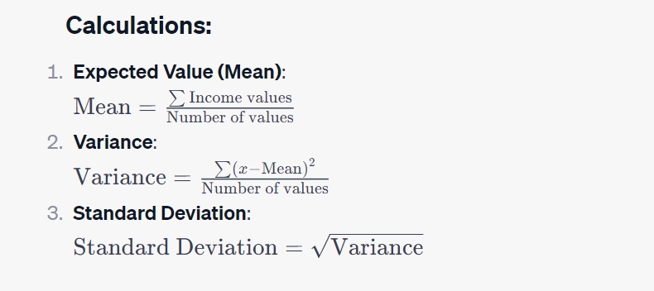
Country | Population | Income | Year
Vietnam | 44900000 | 1530 | 1973
Vietnam | 45900000 | 1470 | 1974 |  |  | Question 1
Vietnam | 47000000 | 1400 | 1975 |  |  | Population | Vietnam | USA | Japan
Vietnam | 48200000 | 1550 | 1976 |  |  | Expected value | 74372549.02 | 274666666.67 | 123803921.57
Vietnam | 49400000 | 1640 | 1977 |  |  | Variance | 2.6895563137E+14 | 1.8137866667E+15 | 2.3480784314E+13
Vietnam | 50700000 | 1620 | 1978 |  |  | Standard deviation | 16399866.81 | 42588574.368 | 4845697.5054
Vietnam | 51800000 | 1650 | 1979
Vietnam | 53000000 | 1560 | 1980 |  |  | Income | Vietnam | USA | Japan
Vietnam | 54300000 | 1600 | 1981 |  |  | Expected value | 4513.5294118 | 48086.27451 | 34480.392157
Vietnam | 55600000 | 1690 | 1982 |  |  | Variance | 9698695.2941 | 98734007.843 | 41622007.843
Vietnam | 57000000 | 1760 | 1983 |  |  | Standard deviation | 3114.2728355 | 9936.4987719 | 6451.5120587
Vietnam | 58400000 | 1870 | 1984
Vietnam | 59800000 | 1940 | 1985 | Question 2
Vietnam | 61200000 | 1960 | 1986 | Q2 | Median
Vietnam | 62600000 | 1970 | 1987 | Q1 | the median of the data points to the left of Median
Vietnam | 64000000 | 2030 | 1988 | Q3 | the median of the data points to the right of Median
Vietnam | 65500000 | 2120 | 1989 | IQR | Q3 - Q1
Vietnam | 66900000 | 2150 | 1990 | Minimum | Q1 - 1.5IQR
Vietnam | 68400000 | 2220 | 1991 | Maximum | Q3 + 1.5IQR
Vietnam | 69800000 | 2360 | 1992 | Outliers | the points smaller than Minimum and larger than Maximum
Vietnam | 71200000 | 2500 | 1993
Vietnam | 72500000 | 2660 | 1994
Vietnam | 73800000 | 2860 | 1995
Vietnam | 74900000 | 3080 | 1996
Vietnam | 76100000 | 3270 | 1997
Vietnam | 77100000 | 3410 | 1998
Vietnam | 78100000 | 3520 | 1999
Vietnam | 79000000 | 3710 | 2000
Vietnam | 79800000 | 3900 | 2001
Vietnam | 80600000 | 4100 | 2002
Vietnam | 81500000 | 4340 | 2003
Vietnam | 82300000 | 4610 | 2004
Vietnam | 83100000 | 4910 | 2005
Vietnam | 84000000 | 5190 | 2006
Vietnam | 84800000 | 5510 | 2007
Vietnam | 85600000 | 5760 | 2008
Vietnam | 86500000 | 6010 | 2009
Vietnam | 87400000 | 6320 | 2010
Vietnam | 88300000 | 6660 | 2011
Vietnam | 89300000 | 6950 | 2012
Vietnam | 90300000 | 7260 | 2013
Vietnam | 91200000 | 7640 | 2014
Vietnam | 92200000 | 8090 | 2015
Vietnam | 93100000 | 8550 | 2016
Vietnam | 94000000 | 9050 | 2017
Vietnam | 94900000 | 9640 | 2018
Vietnam | 95800000 | 10300 | 2019
Vietnam | 96600000 | 10500 | 2020
Vietnam | 97500000 | 10600 | 2021
Vietnam | 98200000 | 11300 | 2022
Vietnam | 98900000 | 11900 | 2023
USA | 207000000 | 32800 | 1973
USA | 209000000 | 32300 | 1974
USA | 211000000 | 31800 | 1975
USA | 213000000 | 33100 | 1976
USA | 215000000 | 34100 | 1977
USA | 218000000 | 35500 | 1978
USA | 220000000 | 36200 | 1979
USA | 223000000 | 35700 | 1980
USA | 226000000 | 36100 | 1981
USA | 228000000 | 35000 | 1982
USA | 230000000 | 36000 | 1983
USA | 233000000 | 38200 | 1984
USA | 235000000 | 39300 | 1985
USA | 238000000 | 40100 | 1986
USA | 240000000 | 41000 | 1987
USA | 242000000 | 42200 | 1988
USA | 245000000 | 43100 | 1989
USA | 248000000 | 43300 | 1990
USA | 252000000 | 42500 | 1991
USA | 255000000 | 43300 | 1992
USA | 259000000 | 43700 | 1993
USA | 262000000 | 44800 | 1994
USA | 266000000 | 45300 | 1995
USA | 269000000 | 46300 | 1996
USA | 272000000 | 47600 | 1997
USA | 276000000 | 49000 | 1998
USA | 279000000 | 50600 | 1999
USA | 282000000 | 51900 | 2000
USA | 285000000 | 51700 | 2001
USA | 288000000 | 51900 | 2002
USA | 291000000 | 52800 | 2003
USA | 294000000 | 54100 | 2004
USA | 297000000 | 55300 | 2005
USA | 300000000 | 56100 | 2006
USA | 303000000 | 56500 | 2007
USA | 306000000 | 55800 | 2008
USA | 309000000 | 53700 | 2009
USA | 311000000 | 54500 | 2010
USA | 314000000 | 55000 | 2011
USA | 317000000 | 55800 | 2012
USA | 319000000 | 56400 | 2013
USA | 322000000 | 57300 | 2014
USA | 325000000 | 58400 | 2015
USA | 327000000 | 59000 | 2016
USA | 330000000 | 59900 | 2017
USA | 332000000 | 61400 | 2018
USA | 334000000 | 62500 | 2019
USA | 336000000 | 60200 | 2020
USA | 337000000 | 63700 | 2021
USA | 338000000 | 64600 | 2022
USA | 340000000 | 65000 | 2023
Japan | 110000000 | 22100 | 1973
Japan | 111000000 | 21500 | 1974
Japan | 112000000 | 21700 | 1975
Japan | 114000000 | 22300 | 1976
Japan | 115000000 | 22900 | 1977
Japan | 116000000 | 23800 | 1978
Japan | 117000000 | 24800 | 1979
Japan | 118000000 | 25200 | 1980
Japan | 119000000 | 25900 | 1981
Japan | 120000000 | 26400 | 1982
Japan | 120000000 | 26900 | 1983
Japan | 123000000 | 27800 | 1984
Japan | 123000000 | 28900 | 1985
Japan | 123000000 | 29500 | 1986
Japan | 124000000 | 30600 | 1987
Japan | 124000000 | 32400 | 1988
Japan | 124000000 | 33700 | 1989
Japan | 125000000 | 35100 | 1990
Japan | 125000000 | 36100 | 1991
Japan | 125000000 | 36200 | 1992
Japan | 125000000 | 35800 | 1993
Japan | 125000000 | 36000 | 1994
Japan | 125000000 | 36700 | 1995
Japan | 126000000 | 37600 | 1996
Japan | 126000000 | 37800 | 1997
Japan | 126000000 | 37100 | 1998
Japan | 127000000 | 36800 | 1999
Japan | 127000000 | 37600 | 2000
Japan | 127000000 | 37500 | 2001
Japan | 127000000 | 37300 | 2002
Japan | 128000000 | 37700 | 2003
Japan | 128000000 | 38300 | 2004
Japan | 128000000 | 38900 | 2005
Japan | 128000000 | 39300 | 2006
Japan | 128000000 | 39700 | 2007
Japan | 128000000 | 39000 | 2008
Japan | 128000000 | 36700 | 2009
Japan | 128000000 | 38100 | 2010
Japan | 128000000 | 38100 | 2011
Japan | 128000000 | 38700 | 2012
Japan | 128000000 | 39600 | 2013
Japan | 127000000 | 39700 | 2014
Japan | 127000000 | 40400 | 2015
Japan | 127000000 | 40700 | 2016
Japan | 127000000 | 41400 | 2017
Japan | 126000000 | 41700 | 2018
Japan | 126000000 | 41700 | 2019
Japan | 125000000 | 39900 | 2020
Japan | 125000000 | 40800 | 2021
Japan | 124000000 | 41600 | 2022
Japan | 123000000 | 42500 | 2023

